Case #1
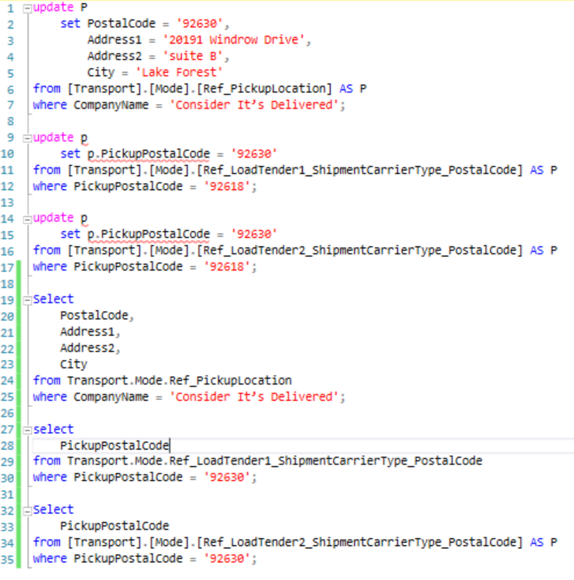
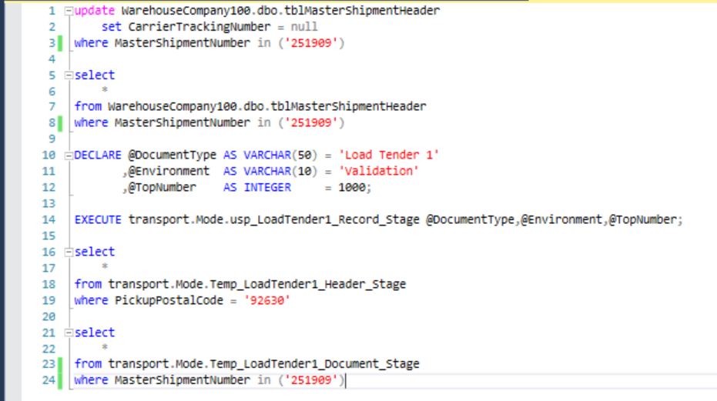
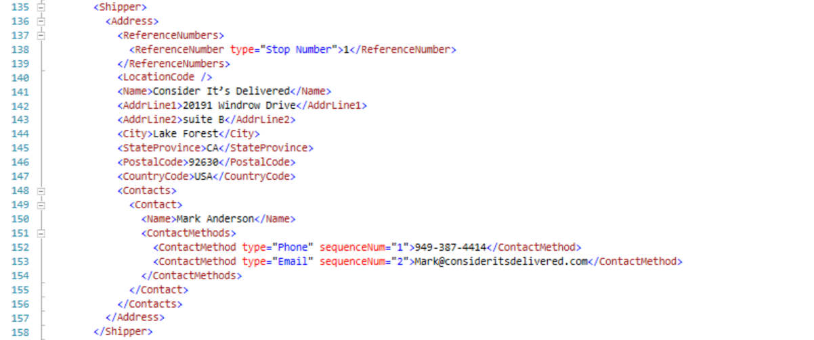
Justin Pope Dev Test
Test Case No. | 1
Process | Execute Transport.Mode.ups_LoadTender1_Record_Stage and validate informat in Temp_LoadTender1_Header_Stage and the xml doc on Temp_LoadTender1_Document_Stage
Test Consideration | 1) Run script on dev in SQL08
Test Condition |  | Data Used | How To Verify | Actual Results
Tasks
1 | Update desired tables | update Ref_PickupLocation, Ref_LoadTender1_ShipmentCarrierType_PostalCode, and Ref_LoadTender2_ShipmentCarrierType_PostalCode | query table | Screen Shots Below
2 | Set up tblMasterShipmentHeader | setting null on tblMasterShipmentHeader.CarrierTrackingNumber for MasterShipmentNumber 251909 | query table | Screen Shots Below
2 | Execute Transport.Mode.ups_LoadTender1_Record_Stage | none | none | Screen Shots Below
3 | Query Temp_LoadTender1_Header_Stage and Temp_LoadTender1_Document_Stage to validate |  | Validate data from step 1 is in Temp_LoadTender1_Header_Stage and Temp_LoadTender1_Document_Stage | Screen Shots Below
Verification

